jPOSTdb
Slice1: | White adipocyte |  |  | Statistics
Dataset ID | Project ID | #proteins | #spectra |  | White adipocyte |  |  | Brown Adipocyte
DS791_1 | JPST000791 | 1,385 | 4,047 | # datasets | 4 |  |  | 4
DS791_2 | JPST000791 | 1,182 | 3,527
DS791_3 | JPST000791 | 1,615 | 5,404 |  | White adipocyte |  |  | Brown Adipocyte
DS791_4 | JPST000791 | 1,519 | 5,089 |  | total | unique | share | total | unique
 |  |  |  | # proteins | 2,000 | 716 | 1,284 | 1,688 | 404
Slice2: | Brown Adipocyte |  |  | # peptides | 3,771 | 1,644 | 2,127 | 3,524 | 1,397
Dataset ID | Project ID | #proteins | #spectra
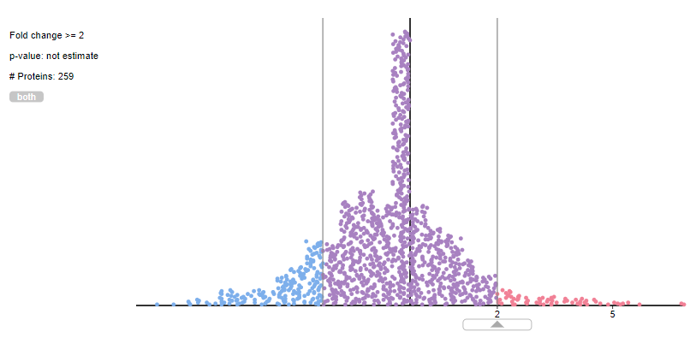
DS793_1 | JPST000793 | 1,223 | 4,421
DS793_2 | JPST000793 | 1,100 | 3,499
DS793_3 | JPST000793 | 1,321 | 4,513
DS793_4 | JPST000793 | 786 | 2,408

